After-sales demand
Product Model | SN#Bluetooth ID | Problem Discription | Component_Require | Quantity | Is it in stock? | Priority | Distributor_POC | Unitree_POC | Repair suggestions | Status | Warrenty Check | Quotation | Shipment_Tracking# | Order_Date | Actual_Problem_Date | Pictures | Remarks from Unitree | Remarks from Eagle
B2-W | B2-532 | no paws | paws | 4 | No | high |  |  | will provide ASAP | Sent | Under warrenty |  |  |  |  |  |  |  | This Colored Coloum is to filled by Unitree
 |  |  |  |  |  |  |  |  |  |  |  |  |  |  |  |  |  |  | This Colored Coloum is to filled by Discription

Go2 EDU plus | Go2-19443 | out of order | Mainboard | 1 | No | high |  |  |  | In progress | Under warrenty
H1 Edu | H1-1127 | out of order | PC2 | 1 | No | high |  |  |  | In progress | Under warrenty

G1 U5 | G1-1830 | hands overheating problem, lost zero position | motors | 2 | No | high |  |  |  | In progress | Under warrenty
G1 U2 | G1-1848 | hands overheating problem, lost zero position | motors | 2 | No | high |  |  |  | In progress | Under warrenty
G1 | G1 | Backplate to fix cable and interfaces on G1 Edu Plus/Ultimate C | Backplate to fix cable and interfaces on G1 Edu Plus/Ultimate C | 10 | No | high |  |  |  | In progress | Under warrenty
B2 | B2 | 5 sets of wires for B2-W | 5 sets of wires for B2-W | 5 | No | high |  |  |  | In progress | Under warrenty
B2-W | B2-188 | Type C - Type C for connect camera to usb internal hub | Type C - Type C for connect camera to usb internal hub | 2 | No | high |  |  | Let me check this | In progress | Under warrenty
Go1 | Go1 | 5 sets of wires for Go1 robots | 5 sets of wires for Go1 robots | 5 | No | high |  |  | accpeted | Sent | Under warrenty
G1 basic | G1-1100 | out of order | charger for battery | 1 | No | high |  |  | charger is burn. | In progress | Under warrenty
H1 Edu | H1-1274 H1-1275 H1-1255 H1-1256 H1-1254 | Hip motor ring mount for H1, 10 sets | Hip motor ring mount for H1, 10 sets | 10 | No | high |  |  | accepted，and it is ready now will send with paws | Sent | Under warrenty
G1 | G1 | 5 maximum sets for G1 for repair (wires, covers) | 5 maximum sets for G1 for repair (wires, covers) | 5 | No | high |  |  | will offer cover first,currently G1 use cable internally,so it is hard to provide cable seperately | In progress | Under warrenty
Go1 Pro | Go1 Pro | bottom cover Go1 | bottom cover Go1 | 1 | No | high |  |  | accpeted | In progress | Under warrenty
B2-W | B2-523 | rubber (please see photo) | rubber (please see photo) | 8 | No | high |  |  |  | In progress | Under warrenty
D1 arm | D1 arm | Component for D1 | Component for D1 | 1 | No | high | 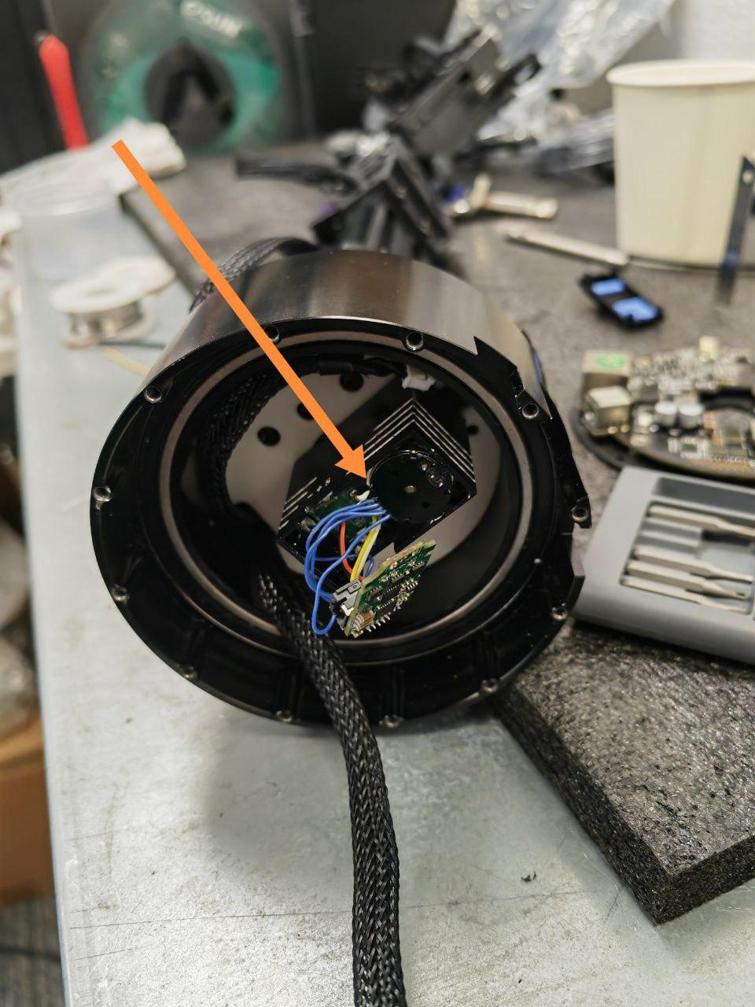 |  | we will provide the comonents | In progress | Under warrenty
D1 arm | D1 arm | 5 sets of wires for D1 to connect to Go2 robot | 5 sets of wires for D1 to connect to Go2 robot | 5 | No | high |  |  |  | In progress | Under warrenty
G1 | G1 | fake hand | fake hand | 2 pairs, 4 pcs | No | high |  |  | we will provide it with new arm | In progress
Go2 | Go2-33148 | Lidar l1 | Lidar l1 | 1 | No | high |  |  |  | In progress

 |  |  |  |  |  |  |  |  |  |  |  |  |  |  |  |  |  |  |  | In progress
 |  |  |  |  |  |  |  |  |  |  |  |  |  |  |  |  |  |  |  | Sent

